BUG001
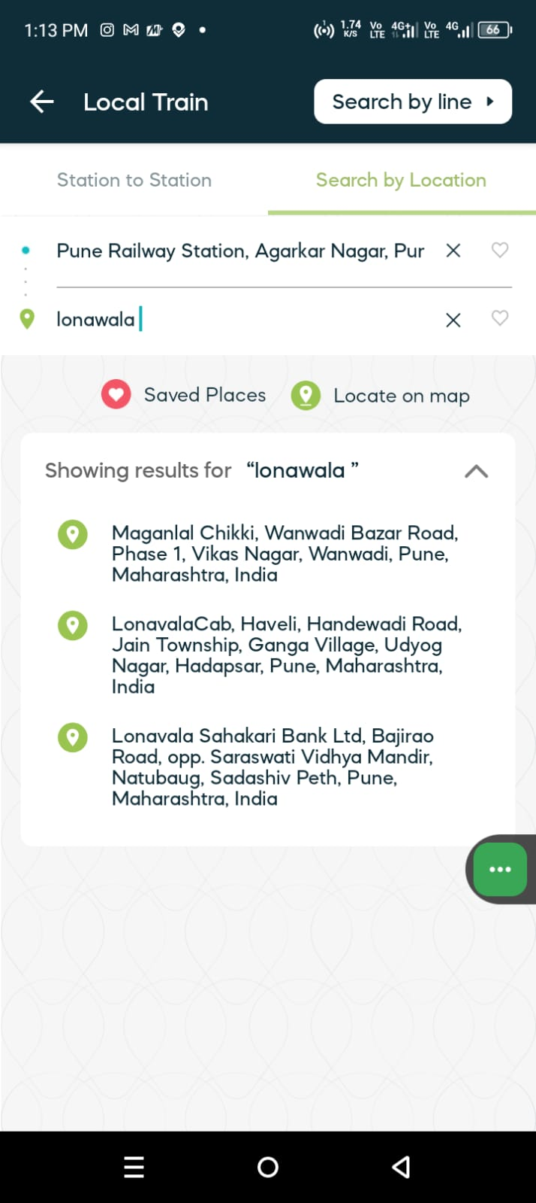
Bug_Defect

Defect ID | BUG001 | Assigned To | Dev
Status | New | Browser | Chrome
Severity | High | Found in Version
Priority | Critical | Found in Build | 1
Module | Navigation- Local train station to Station | Fixed in version
Reported By | Sachin | Fixed in build

Title/Summary | Navigation Local Train-when selecting certain train routes from the source to destination.
Description Steps To Re-Produce : 1. Open App 2. Navigate or click on the Local icon. 3.Tap on source field and enter valid (saource)station name 4. Tap on destination field and enter valid (destination)station name 5. Click on Login button 6. There is showing route or local train. Expected Result : Showing the list of local trains & time and booking cost etc. Actual Result : Not showing any message or results. also search option is not present. Issue: This local stations are not showing in this app but it is available in google map and other train tickting app. Improvement : Search functionality is need to more fexible.

Attachments

